ChartR1
LTE SSV Drive - Bell Canada

LTE RSRP Distribution - EARFCN 2325
LTE CINR Distribution - EARFCN 2325
 | PDF(%) | CDF(%)
>= -30dBm | 0.00% | 0.00%
>= -40dBm | 0.00% | 0.00%
>= -50dBm | 0.10% | 0.10%
>= -60dBm | 10.39% | 10.49%
>= -70dBm | 42.04% | 52.53%
>= -80dBm | 28.54% | 81.07%
>= -90dBm | 16.68% | 97.74%
>= -100dBm | 2.26% | 100.00%
>= -110dBm | 0.00% | 100.00%
>= -140dBm | 0.00% | 100.00%
>= -150dBm | 0.00% | 100.00%
# 2,926
 | PDF(%) | CDF(%)
>= 30dB | 0.89% | 0.89%
>= 25dB | 7.55% | 8.44%
>= 20dB | 15.28% | 23.72%
>= 15dB | 20.81% | 44.53%
>= 10dB | 18.90% | 63.43%
>= 5dB | 13.26% | 76.69%
>= 0dB | 8.30% | 85.00%
>= -5dB | 13.94% | 98.94%
>= -10dB | 1.06% | 100.00%
>= -20dB | 0.00% | 100.00%
>= -30dB | 0.00% | 100.00%
>= -40dB | 0.00% | 100.00%
# 2,921

LTE RSRP Distribution - EARFCN 5815
LTE CINR Distribution - EARFCN 5815
 | PDF(%) | CDF(%)
>= -30dBm | 0.00% | 0.00%
>= -40dBm | 0.31% | 0.31%
>= -50dBm | 9.26% | 9.57%
>= -60dBm | 18.04% | 27.61%
>= -70dBm | 38.44% | 66.04%
>= -80dBm | 26.07% | 92.11%
>= -90dBm | 7.89% | 100.00%
>= -100dBm | 0.00% | 100.00%
>= -110dBm | 0.00% | 100.00%
>= -140dBm | 0.00% | 100.00%
>= -150dBm | 0.00% | 100.00%
# 2,909
 | PDF(%) | CDF(%)
>= 30dB | 2.22% | 2.22%
>= 25dB | 9.02% | 11.24%
>= 20dB | 11.27% | 22.51%
>= 15dB | 19.88% | 42.40%
>= 10dB | 25.62% | 68.02%
>= 5dB | 18.59% | 86.61%
>= 0dB | 9.09% | 95.70%
>= -5dB | 4.27% | 99.97%
>= -10dB | 0.00% | 99.97%
>= -20dB | 0.03% | 100.00%
>= -30dB | 0.00% | 100.00%
>= -40dB | 0.00% | 100.00%
# 2,879

ChartR2
LTE SSV Drive - Bell Canada

LTE RSRP Distribution - EARFCN 5255
LTE CINR Distribution - EARFCN 5255
 | PDF(%) | CDF(%)
>= -30dBm | 0.00% | 0.00%
>= -40dBm | 1.06% | 1.06%
>= -50dBm | 10.29% | 11.35%
>= -60dBm | 30.38% | 41.73%
>= -70dBm | 17.46% | 59.19%
>= -80dBm | 31.00% | 90.19%
>= -90dBm | 9.81% | 100.00%
>= -100dBm | 0.00% | 100.00%
>= -110dBm | 0.00% | 100.00%
>= -140dBm | 0.00% | 100.00%
>= -150dBm | 0.00% | 100.00%
# 2,926
 | PDF(%) | CDF(%)
>= 30dB | 5.16% | 5.16%
>= 25dB | 8.58% | 13.74%
>= 20dB | 10.18% | 23.92%
>= 15dB | 20.47% | 44.40%
>= 10dB | 21.57% | 65.96%
>= 5dB | 16.03% | 81.99%
>= 0dB | 14.49% | 96.48%
>= -5dB | 3.52% | 100.00%
>= -10dB | 0.00% | 100.00%
>= -20dB | 0.00% | 100.00%
>= -30dB | 0.00% | 100.00%
>= -40dB | 0.00% | 100.00%
# 2,921

LTE RSRP Distribution - EARFCN 9720
LTE CINR Distribution - EARFCN 9720
 | PDF(%) | CDF(%)
>= -30dBm | 0.00% | 0.00%
>= -40dBm | 0.00% | 0.00%
>= -50dBm | 7.31% | 7.31%
>= -60dBm | 16.91% | 24.22%
>= -70dBm | 24.84% | 49.07%
>= -80dBm | 35.40% | 84.46%
>= -90dBm | 15.21% | 99.67%
>= -100dBm | 0.33% | 100.00%
>= -110dBm | 0.00% | 100.00%
>= -140dBm | 0.00% | 100.00%
>= -150dBm | 0.00% | 100.00%
# 2,909
 | PDF(%) | CDF(%)
>= 30dB | 12.80% | 12.80%
>= 25dB | 14.00% | 26.80%
>= 20dB | 17.20% | 44.00%
>= 15dB | 22.56% | 66.56%
>= 10dB | 16.99% | 83.55%
>= 5dB | 10.93% | 94.47%
>= 0dB | 5.23% | 99.71%
>= -5dB | 0.29% | 100.00%
>= -10dB | 0.00% | 100.00%
>= -20dB | 0.00% | 100.00%
>= -30dB | 0.00% | 100.00%
>= -40dB | 0.00% | 100.00%
# 2,879

ChartR3
LTE SSV Drive - Bell Canada

LTE RSRP Distribution - EARFCN 900
LTE CINR Distribution - EARFCN 900
 | PDF(%) | CDF(%)
>= -30dBm | 0.00% | 0.00%
>= -40dBm | 0.00% | 0.00%
>= -50dBm | 0.00% | 0.00%
>= -60dBm | 11.18% | 11.18%
>= -70dBm | 44.07% | 55.25%
>= -80dBm | 28.68% | 83.93%
>= -90dBm | 13.13% | 97.06%
>= -100dBm | 2.94% | 100.00%
>= -110dBm | 0.00% | 100.00%
>= -140dBm | 0.00% | 100.00%
>= -150dBm | 0.00% | 100.00%
# 2,926
 | PDF(%) | CDF(%)
>= 30dB | 1.20% | 1.20%
>= 25dB | 8.21% | 9.40%
>= 20dB | 24.21% | 33.61%
>= 15dB | 20.41% | 54.02%
>= 10dB | 18.43% | 72.44%
>= 5dB | 14.63% | 87.08%
>= 0dB | 8.31% | 95.38%
>= -5dB | 3.76% | 99.15%
>= -10dB | 0.85% | 100.00%
>= -20dB | 0.00% | 100.00%
>= -30dB | 0.00% | 100.00%
>= -40dB | 0.00% | 100.00%
# 2,921

LTE RSRP Distribution - EARFCN 2585
LTE CINR Distribution - EARFCN 2585
 | PDF(%) | CDF(%)
>= -30dBm | 0.00% | 0.00%
>= -40dBm | 0.34% | 0.34%
>= -50dBm | 6.90% | 7.24%
>= -60dBm | 13.66% | 20.90%
>= -70dBm | 34.97% | 55.87%
>= -80dBm | 24.59% | 80.46%
>= -90dBm | 18.03% | 98.50%
>= -100dBm | 1.50% | 100.00%
>= -110dBm | 0.00% | 100.00%
>= -140dBm | 0.00% | 100.00%
>= -150dBm | 0.00% | 100.00%
# 2,909
 | PDF(%) | CDF(%)
>= 30dB | 4.71% | 4.71%
>= 25dB | 9.43% | 14.14%
>= 20dB | 13.59% | 27.73%
>= 15dB | 24.76% | 52.49%
>= 10dB | 16.84% | 69.33%
>= 5dB | 16.84% | 86.17%
>= 0dB | 10.79% | 96.96%
>= -5dB | 3.01% | 99.97%
>= -10dB | 0.00% | 99.97%
>= -20dB | 0.03% | 100.00%
>= -30dB | 0.00% | 100.00%
>= -40dB | 0.00% | 100.00%
# 2,879

FCN01_FCN
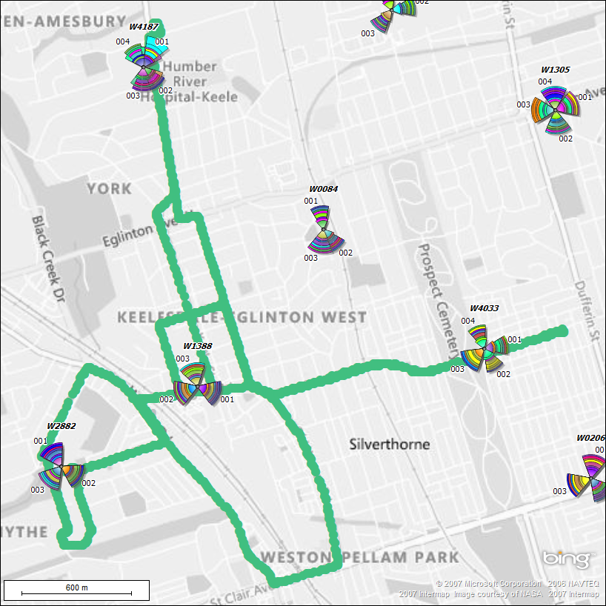
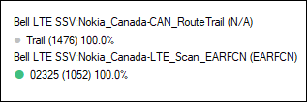
LTE SSV Drive - Bell Canada

MD01_ Scanner Plot Carrier EARFCN - 2325

